1. Title Page
[Project Name]

Project Name:
Date:
Analyst Name:

Contents:
Population Flow
Consistency checks
Wrangling steps
Column derivations
Visualizations
Recommendations

2. Population Flow
 |  | Title page

Population flow

Exclusion flag
Condition: max_order < 5
Obervations to be removed: 1,441,295
Final total count of order_products_all: 30,964,489

32434489
49693
206209
3421083

206209
206209
49672
3421083
32434489

Orders_products_combined
Orders_products_merged
Orders_products_all

Total:
Total:
32404259
Total:
3240239 | 32404259

1.) The grey boxes in the first row of the population flow represent the original data sets as they were when you downloaded them. In the Total fields you need to add the count of the rows when you imported the data set into Jupyter.
2.) The second row of boxes (coloured) represents the data sets after you manipulated them, e.g., removed missing values and duplicates. In the Total fields you need to add the count of the rows after conducting these operations. This offers a visual oveview of how the data flows throughout the data consistency checks.
3.) The third row, where also the arrows are coloured, represents the merges you performed between the datasets. In the Total fields you need to add the count of the rows in the merged datasets, so that you end up with the final dataset (in the red box). Keep in mind the final dataset should be without exclusions (based on the exclusion flag).

3. Consistency checks
 |  |  |  | Title page
Consistency checks

Dataset | Missing values | Missing values treatment | Duplicates
orders | None
products | product_name' column has 16 missing values | Discarded
orders_products_prior | None
customers | first_name' has 11259 missing values | Ignored

4. Wrangling steps
 |  |  |  | Title page
Wrangling steps

Columns dropped | Columns renamed | Columns' type changed | Comment/Reason
eval_set from orders.csv |  |  | To drop column that is irrelevant to analysis
 |  | order_id and "user_id" from orders.csv changed into string | Columns contain nominal data.
 |  | "product_id", "aisle_id", and "department_id" from products.csv changed into string | Columns contain nominal data.
 | Rename 'First Name' column to 'first_name'
 | Rename 'Surnam' column to 'last_name'
 | Rename 'Gender' column to 'gender'
 | Rename 'STATE' column to 'state'
 | Rename 'Age' column to 'age'
 | Rename 'n_dependants' column to 'num_of_dependents'
 | Rename 'family_status' column to 'marital_status'
 |  | ' 'first_name' datatype changed to object
'first_name' |  |  | Ensure data privacy and security of PII data
'last_name' |  |  | Ensure data privacy and security of PII data

5. Column derivations
 |  |  |  | Title page

Column derivations and aggregations

In this tab you should add tables below that the frequences of flags/label variables that you produced after deriving them. NB: don't do this for continuous variables, only for flags.
Dataset | New column | Column/s it was derived from | Conditions
orders_products_merged | loyalty_flag | max_order | If max_order for the user is over 40, then labeled a “Loyal customer.” If max_order for the user is over 10 but less than or equal to 40, then labeled a “Regular customer.” If max_order for the user is less than or equal to 10, then labeled a “New customer.”
orders_products_merged | price_range | price | If price is under 5, value is low-range product If price is between 5 and 15, value is mid-range product If price is greater than 15, price is high-range product
orders_products_merged | busiest_period_of_day | order_hour_of_day | If order_hour_of_day is 10-15, value is most orders If order_hour_of_day is 0-5, value is fewest orders If order_hour_of_day is 6-9 or 16-23, value is average orders
customers_orders_products | customer_activity | max_order | If 'max_order' is 5 or higher, value in 'customer_activity' will be 'normal' If 'max_order' is less than 5, value in 'customer_activity' will be 'low'
orders_products_merged | frequency_flag | days_since_prior_order | If median_days_since_prior_order is higher than 20, label "Non-frequent customer" If median_days_since_prior_order is between 10 and 20, label "Regular customer" If median_days_since_prior_order is less than or equal to 10, label "Frequent customer"

6. Visualizations
 | Title page

Visualisations

In this tab you should include all the visualtions from Exercises 4.9 and 4.10, alongside the questions from the project brief that they answer. Include any commentary on the relationship between different variables.

For Better visibility please zoom to 80%.

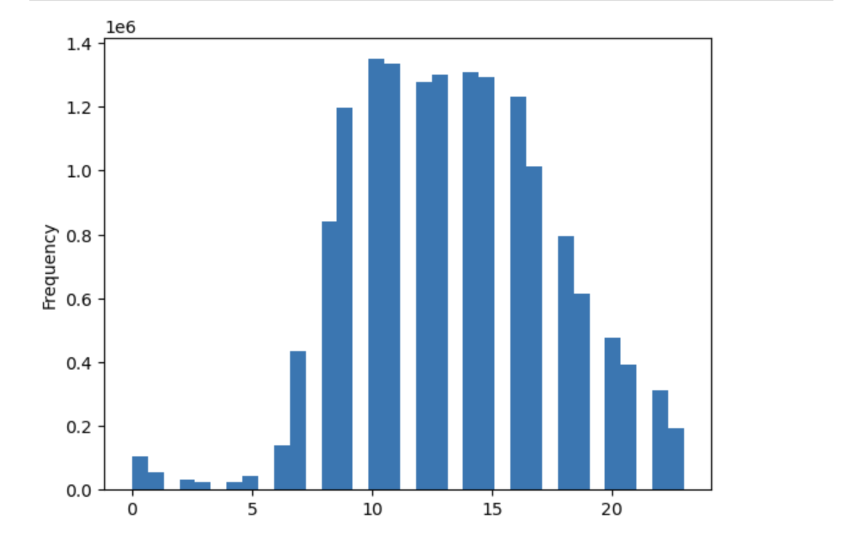
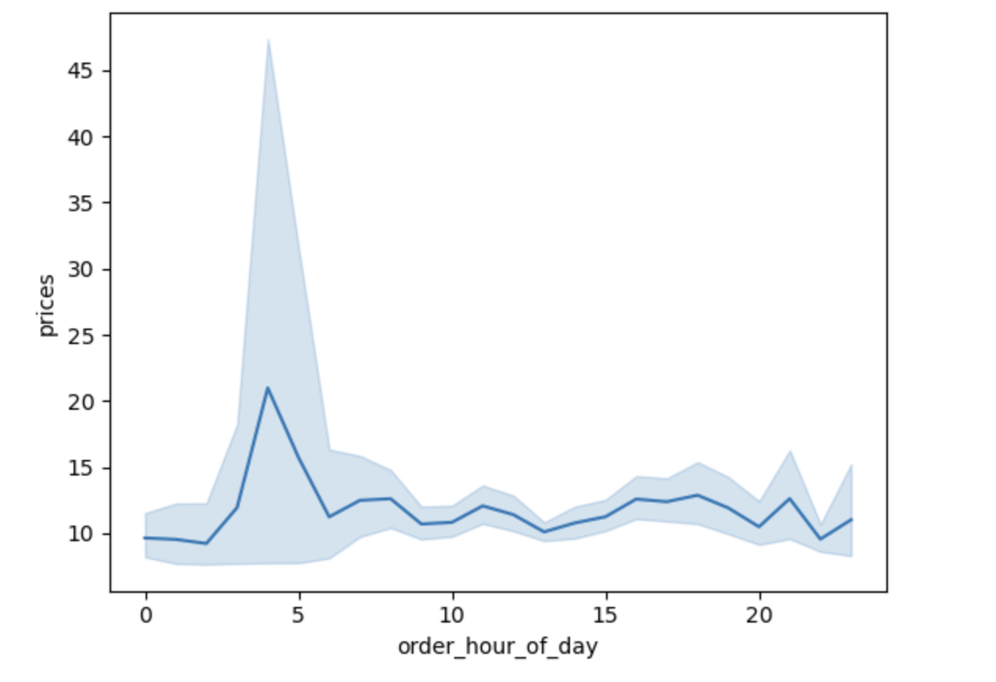
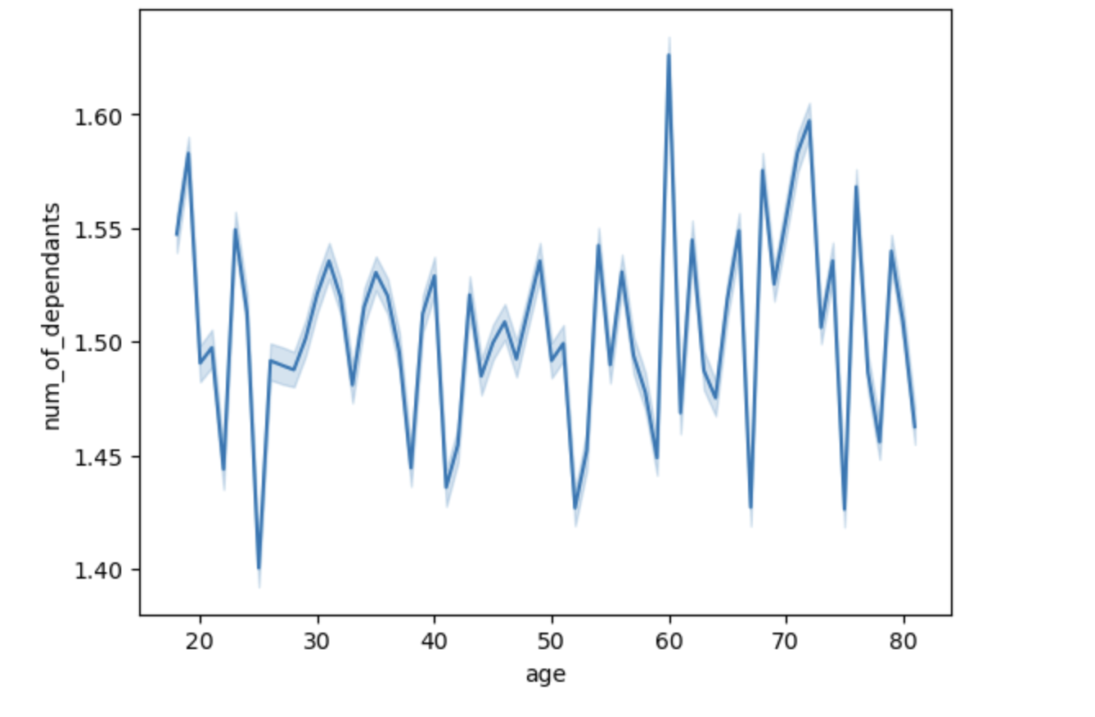

Busiest Hour of the Day

Chart 1: Frequency of Orders by Hour of the Day. The chart shows the frequency of product orders for each hour of the day. The slowest period of the day is from midnight to 5am, whereas the highest numbers of orders are to be found between 10am and 3pm.
Chart 2: Product Price by Hour of the Day. The average prices of products ordered during the day are similar, namely around 7.80.
Chart 3: Relationship between Age and Number of Dependants. Age doesn't have any significant impact on the number of dependants among Instacart's customers.

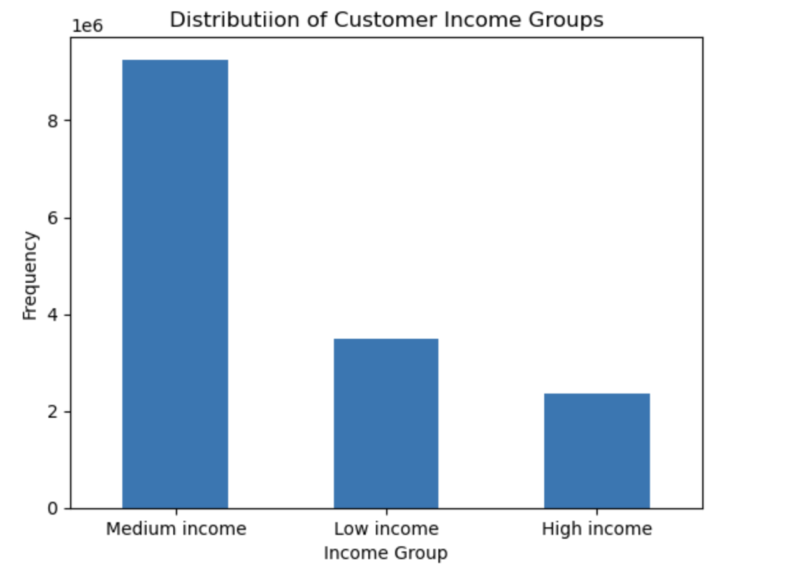

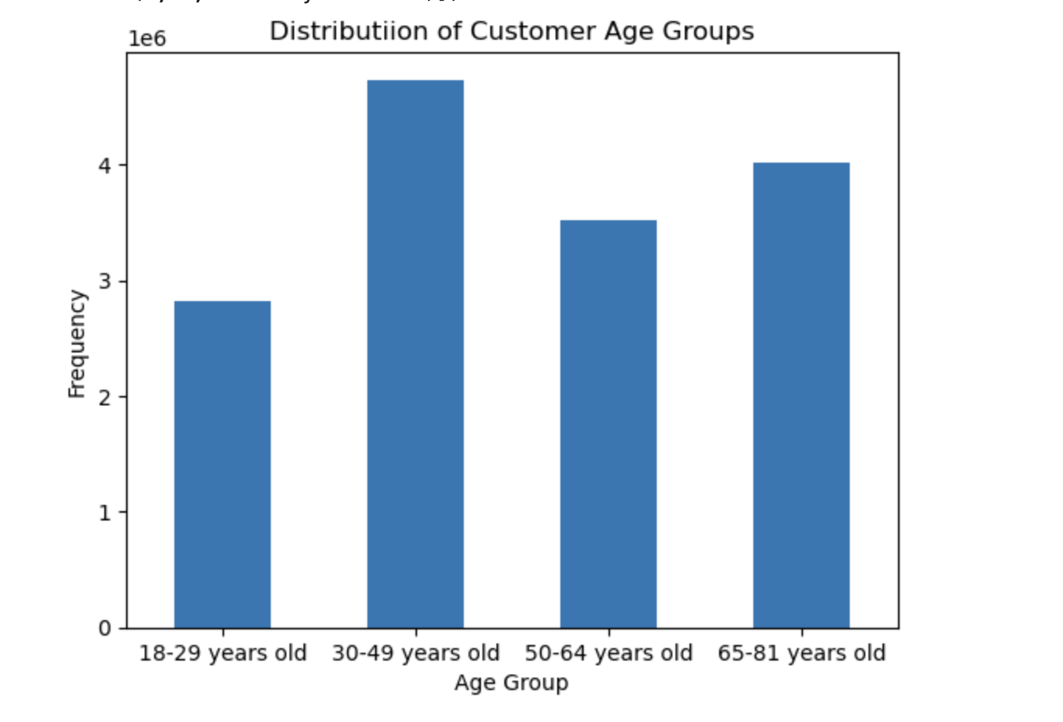

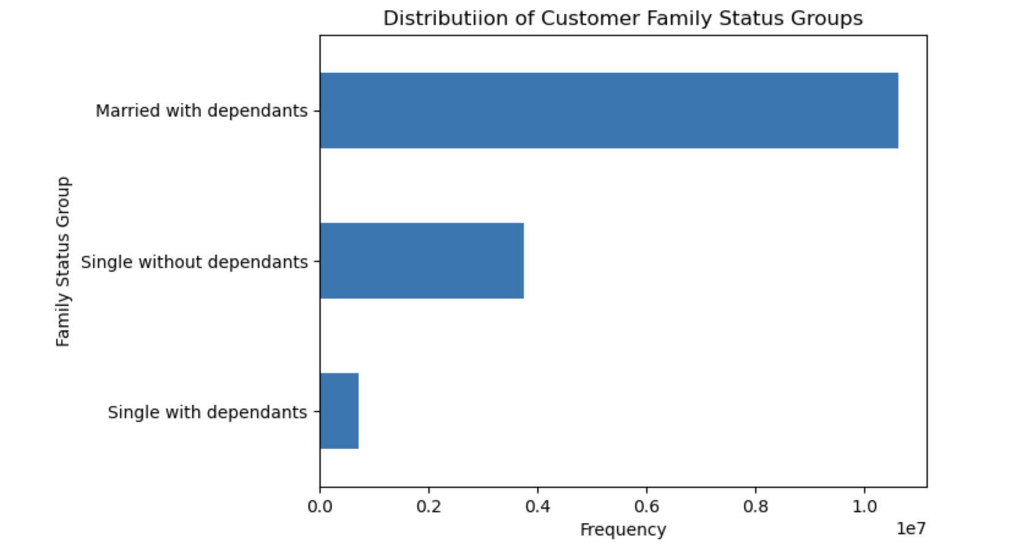
R

Chart 6: Distribution of Customer Income Groups: Customers with the medium income has the highest spendings in the instacart when compared with the other groups such as low income and high income groups..
Chart 4: Distribution of Customer Family Status Groups: Married with dependants are higher in number when compared with other categories as this stats can show significance effect on the Instacart business.
Chart 5: Distribution of Customer Family Age Groups: Customers within the age of 30-49 years are high in number when compared to other age groups and the second highest of customers is in the age group of 65-81 years old as this frquency shows the spending of different groups according to age in the Instacarts business.

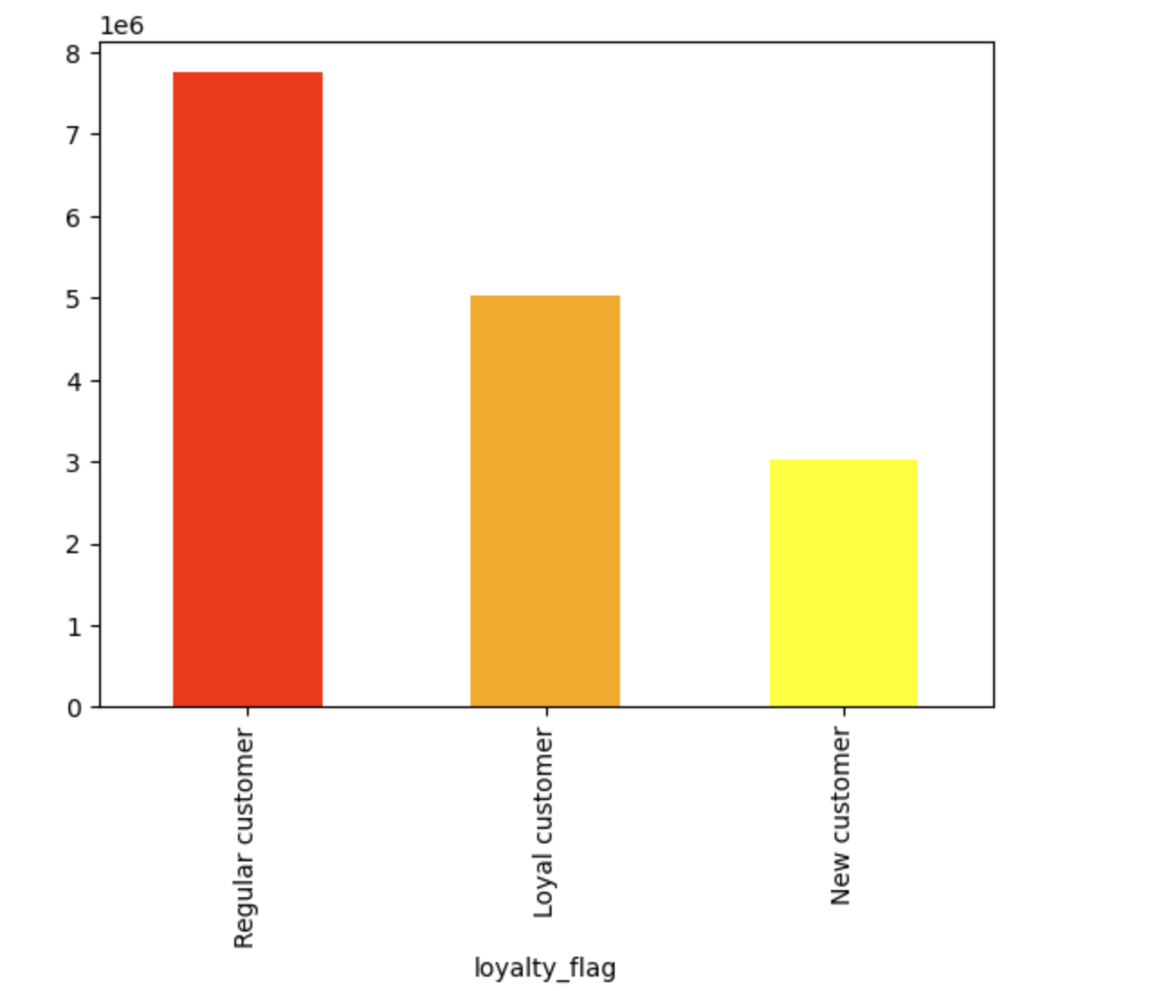

Chart 6: Frequency of Orders by Loyalty Flag. Although Loyal customers place more orders than Regular ones (per definition), the latter show more product orders, which means their total user number must be higher than Loyal customers

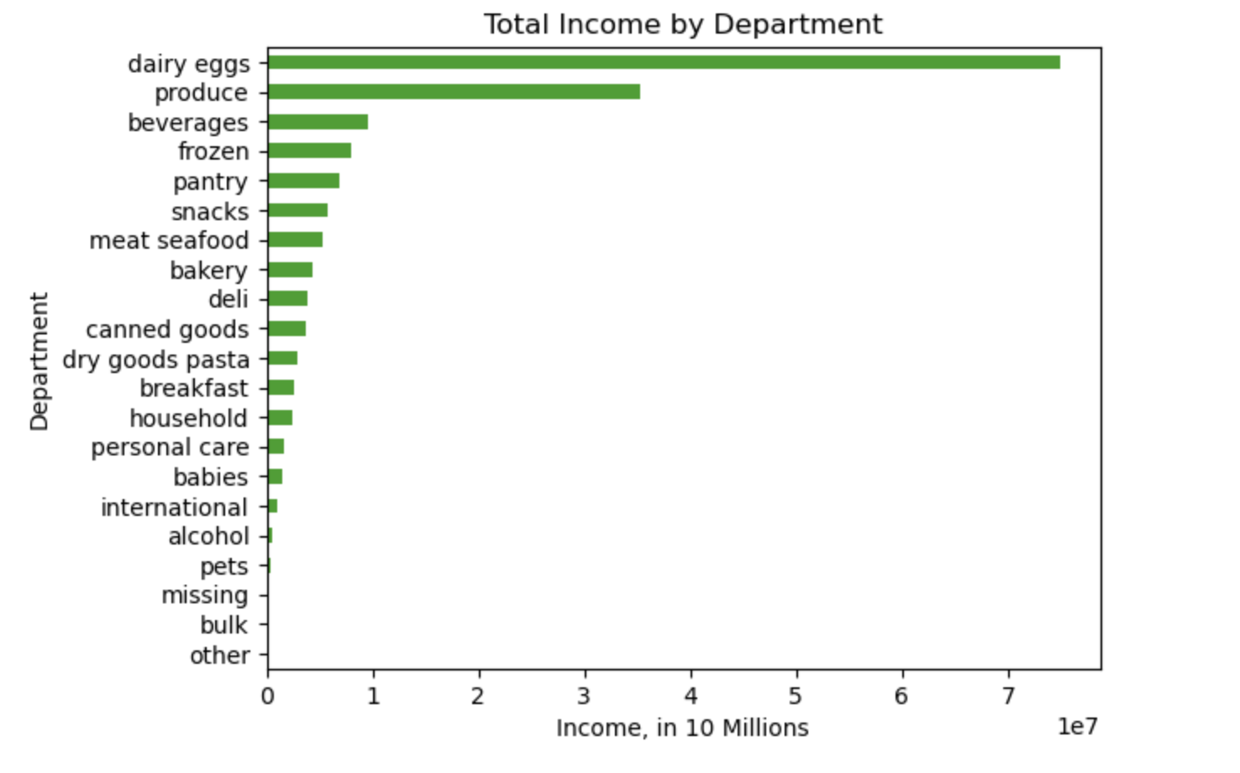
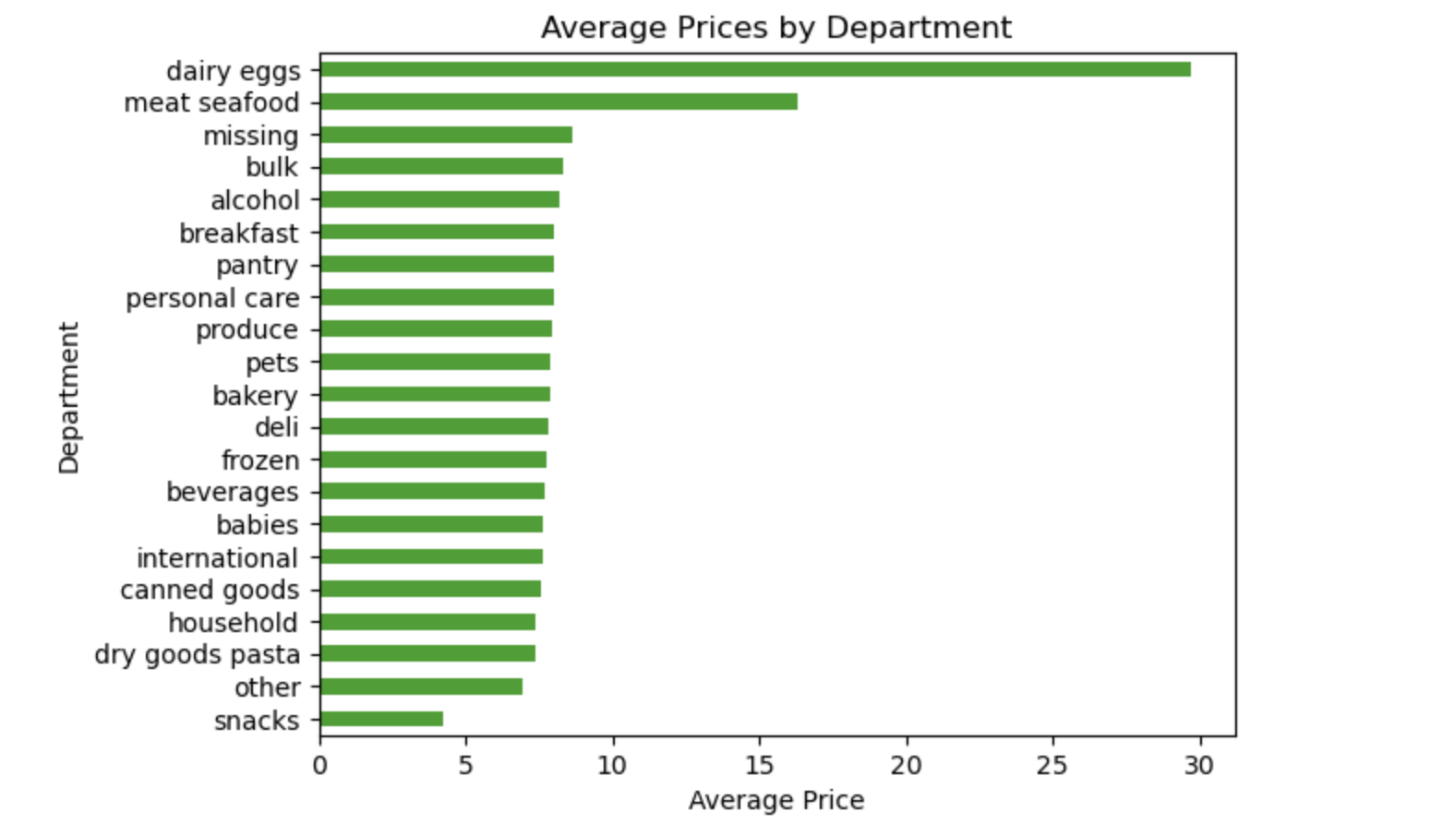

Chart 7: Total Income by Department: This chart illustrates that the majority of income comes from the dairy and produce departments.
Chart 8: Average prices by Department: This chart illustrates that the Average prices are in the deparments dairyeggs and meat seafood by this chart the business owners knows how to strtegically place prices for profits in other departments.

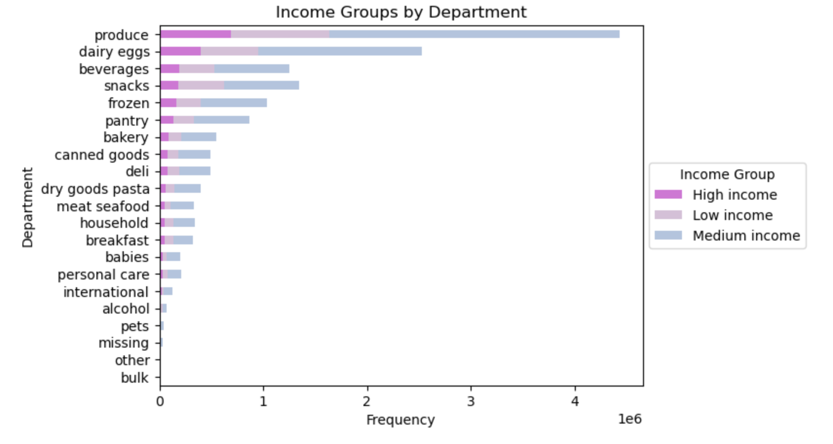
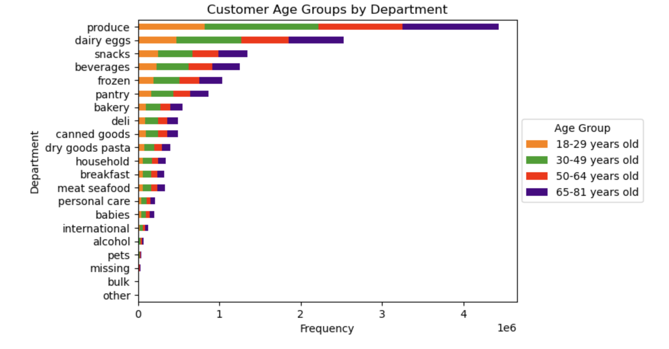

Chart 8: Distribution of Age-Family Profiles by Department. There's no differences across the departments regarding the frequency of product orders among the age-family profiles.
Chart 9: Distribution of Income Groups by Department. : This chart illustrates the customers with medium income has the highest spendings in the produce and diary eggs department when comparesd with othe groups.

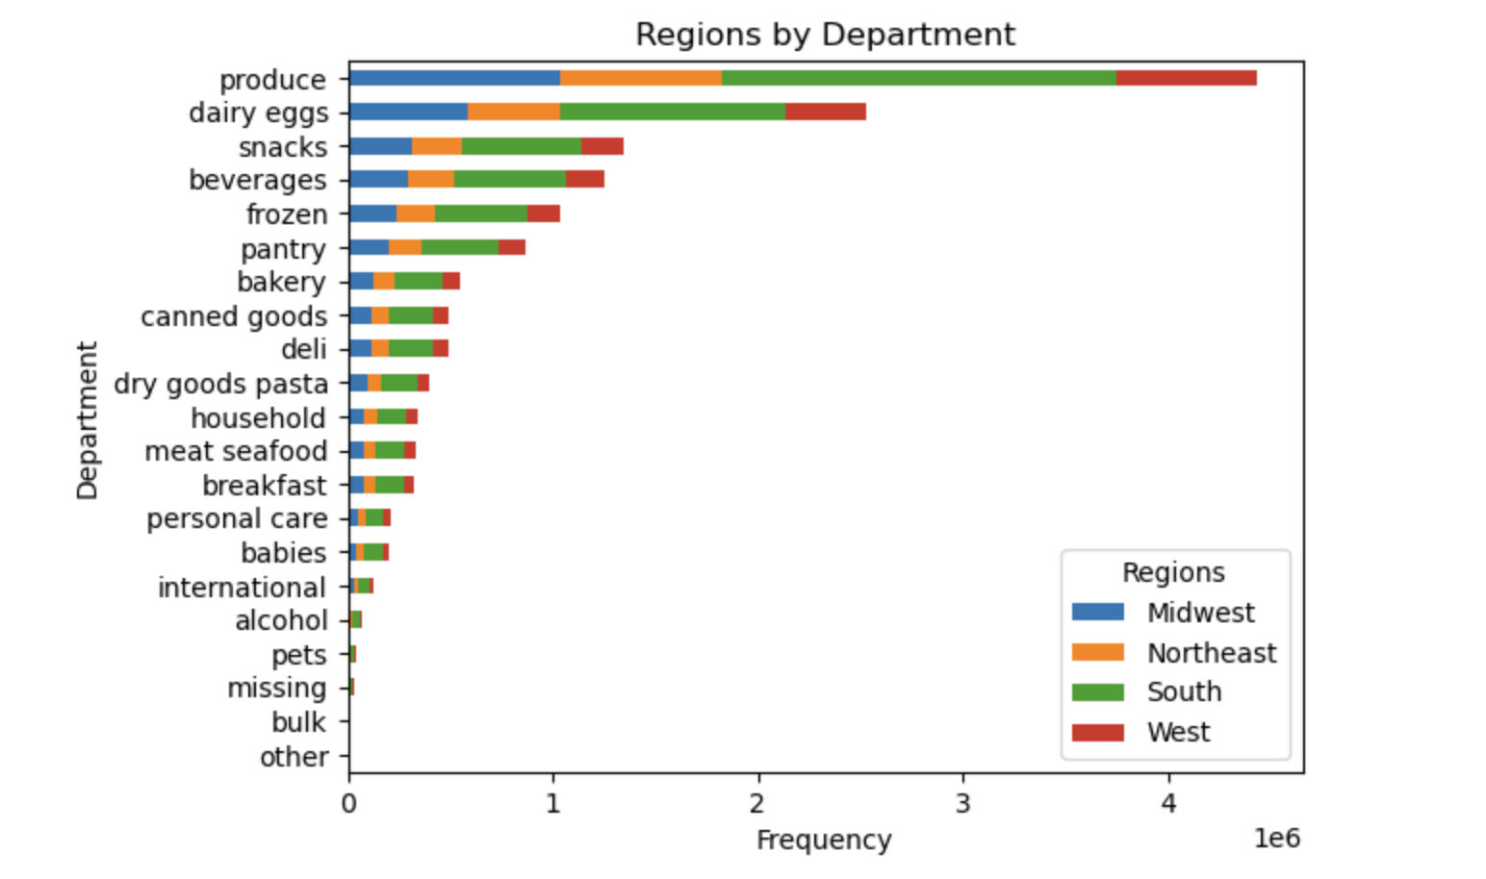
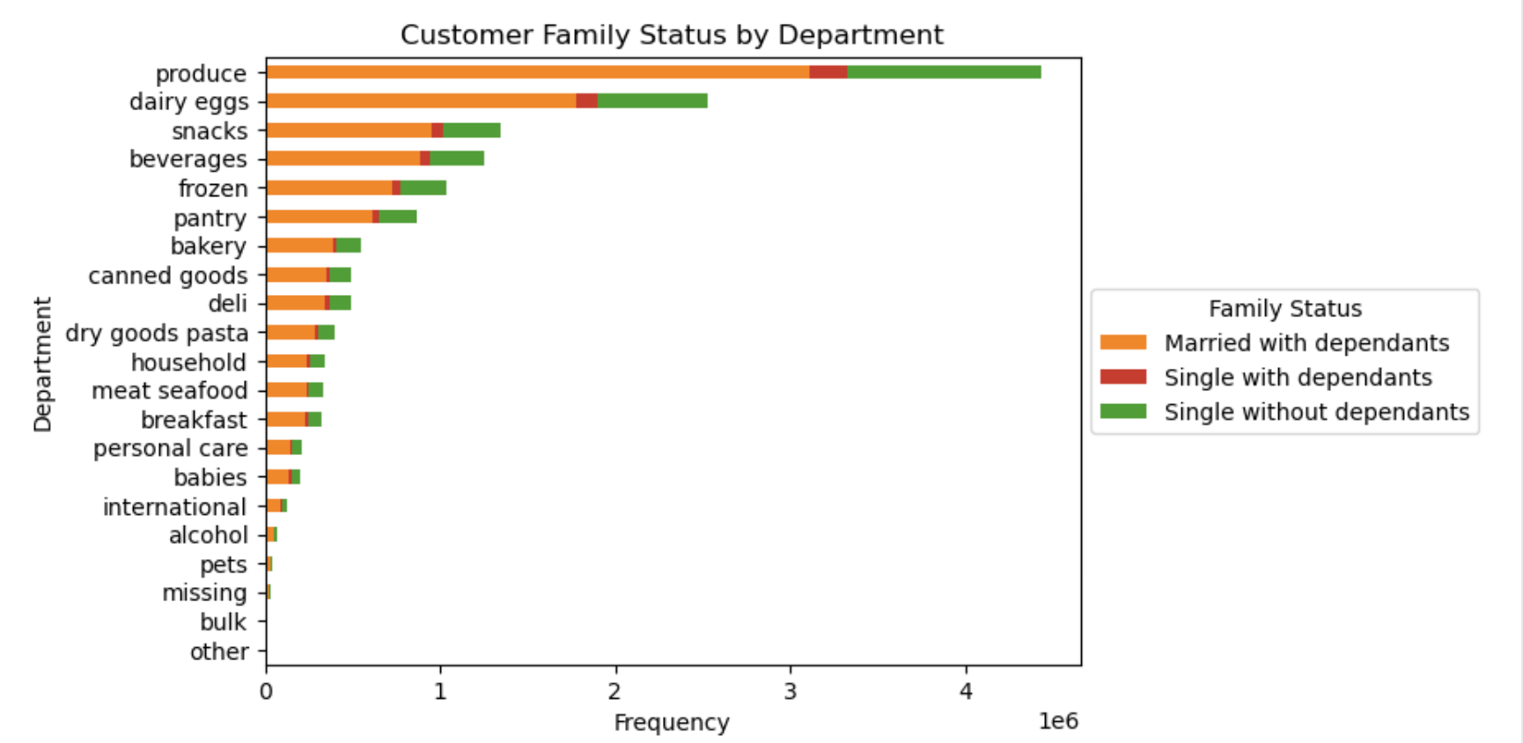

Chart 10: Department sales by Region : This chart illustrates the customers from the south has the majority of spending in all the departments when compared with other regions.
Chart 11: Customer Family status by Department : This chart illustrates the customers with the marital status of married have the highest spending in all departments when compared with others.

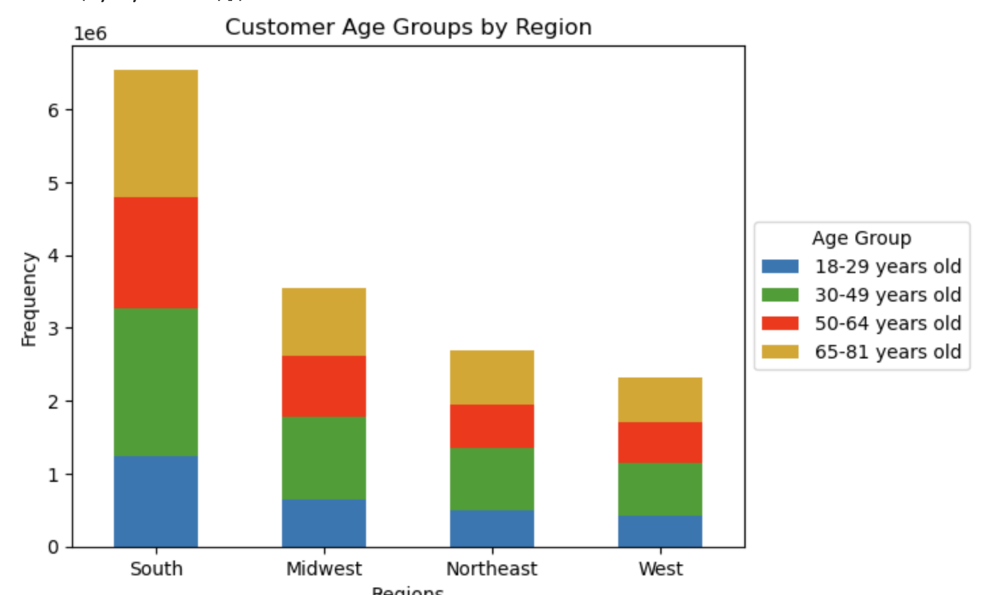
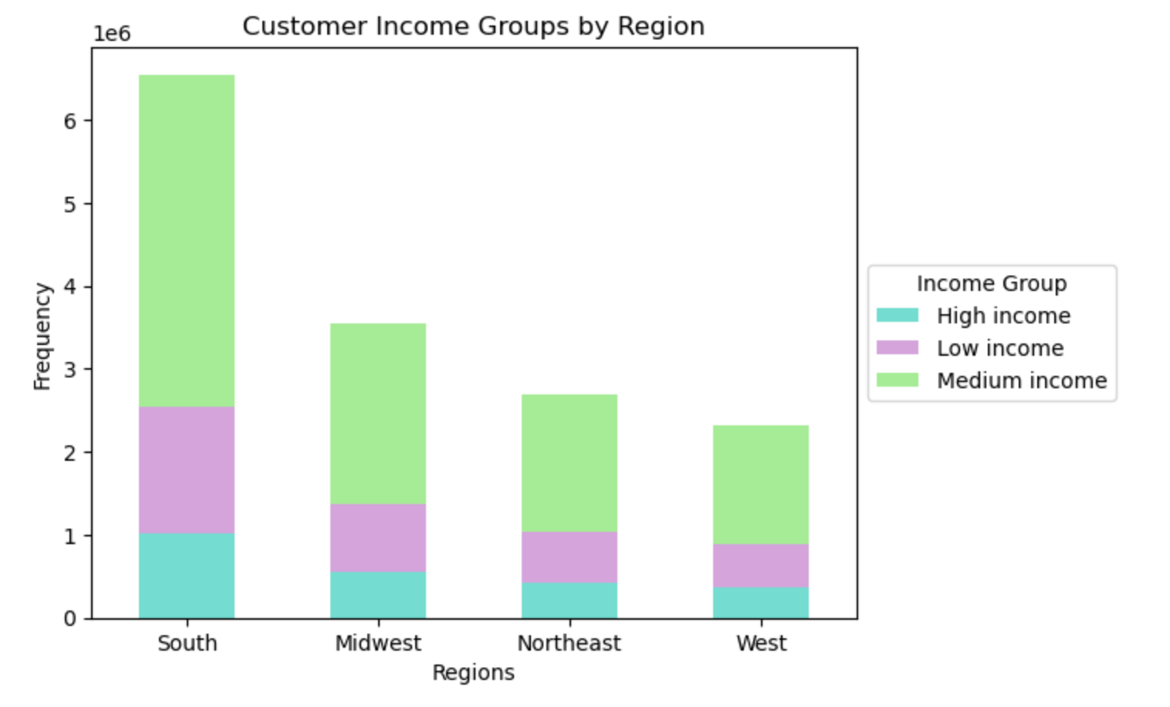

Chart 12: Customer Age groups by Region : This chart illustrates the customers from the south has the customers within all age groups when compared to other regions.
Chart 13: Customer Income groups by Region : This chart illustrates the customers from the south has the majority of customers with medium income as this group has the highest spending when compared to other in other regions .

7. Recommendations
 |  | Title page

Recommendations

In this tab you should include any recommendations you would made to Instcart in terms of their marketing strategy based on the questions posed in the brief. Every key question has been covered in the Tasks of the Exercises - here you need to add an item - a visualisation or table/crosstable that is showing the answer in the data, acompanied by a comment from you. Please, list the questions below and add the answer underneath.

Question | Answer
What are the busiest days of the week and hours of the day? | Within a given dataset and as per our visualizations, the busiest time period occurs between 9AM - 4 PM. Customers prefer to do their grocery shopping on weekend days with less time occupied by working hours so. The Saturday and Sunday are busiest and leat busy days are Wednesday and Tuesdays. If sales is looking to increase the amount of orders during non-peak hours and days, then the sales team can increase ads after 4pm and target weekdays for customer engagement. They can also exclusive offers on weekdays to attract customers.
What hours of the day do people spend the most money? | Within the given data and as per our visualizations, the vast majority of orders and sales occurs during 9AM - 4PM and marketing should focus their efforts on these peak time periods for the highest returns on investments.
What types of products are most popular? Which departments have the highest frequency of product orders? | Wthin the given data and as per our visualizations, Items that belong to the produce and dairy/eggs departments make up 29.3% and 16.7% respectively of all items ordered. Other popular items include snacks, beverages, and frozen items. Conversely, items from pets, missing, other, and bulk departments only make up 0.7% combined.The marketing and sales teams should concentrate on targeted promotions that include special discounts and bundle deals to incentivize repeat customers and larger order sizes and also to promote the highlight products from the previously mentioned popular departments.
What are some simpler price range groupings to help direct marketing and sales efforts? | Within the given data, we have categorised the items that are priced $5 or less, it was labeled as a low price range item. For items that are priced between $5-15, it was labeled as a mid price range item. For items that are priced $15 or more, it was labeled as a high price range item.The majority of items fall within the mid-range pricing label while only a small amount of items that are purchased are more than $15. The marketing and sales can use these simpler price range groupings to analyze and identify trends in customer and order purchases and determine insights to increase Instacart revenue.
What’s the distribution among users in regards to their brand loyalty? How often do they return to Instacart? | Within the given data,it indicates that the highest percentage of customers are designated as regular customer which means that they have made between 10-40 orders. The next highest loyalty grouping are new customers who have made 10 or less orders. Loyal customers are the least represented grouping but still make up roughly 10.5% of all customers. This is significant because to be considered a loyal customer, they must have made more than 40 orders. The loyal customers are the ones that are making purchases more regularly whereas, that new customers are more hesitant after their inital orders to make another order. It is understandable for new customers to feel more apprenhensive when first using the service, so a positive ordering and delivery experience is critical for new customers.It is important for new and even regular loyalty customers to feel confident in Instacart's services.If their grocery delivery need is met and they have a positive experience.
Are there differences in ordering habits based on a customer's loyalty status? | Within the given data and as per our visualizations,produce makes up 30.6% of loyal customers' orders but a little less for regular customers (28.9%) and new customers (27.8%). As produce makes up the highest percentage of items ordered for loyal customers, even higher in proportion than regular and new customers. Dairy/Eggs are also sold at a higher proportion for loyal customers. For new customers, items from the frozen and pantry departments have the highest percentages based upon loyalty status. Regular customers tend to be in the proportional middle of loyalty statuses. These details could help give sales and marketing teams the edge they need to increase revenue.
Are there differences in ordering habits based on a customer's region? | Our visualizations indicate that the Customers who live in the West region display a greater enthusiasm and history of purchasing higher priced items. Regional and cultural differences can affect customer characteristics and it is important for the sales and marketing teams to be aware of any future changes in department purchases, income group proportionality, and the prices of items that customers are willing to purchase in each region.
Is there a connection between age and family status in terms of ordering habits? | Customers in the 66-81 age group have the highest average income aswell as the highest average purchased item price. Although having by far the lowest average income of all the age groups, the 18-33 age group has a similar amount of orders made to the other age groups and the 2nd highest average purchased item price. Customer purchasing behavior can be tracked over time to identify seasonal trends.Sales and marketing teams need to use age group segmentation to advertise effectively to different age groups and on media platforms in which these age groups use.
What different classifications does the demographic information suggest? Age? Family status? What differences are there in ordering habits of different customer profiles? | Customers were profiled by their relative age, gender, and whether they had dependents or not. When looking at the number of customers in each customer profile, middle aged (34-65) represents the largest proportion. This is not a huge surprise as this also represents the largest age range. Other than the age range, the other biggest factor contributing to the makeup of Instacart is the presence of dependents. For sales and marketing, this means majority of customer profiles that have 1 or more dependents as well as are of middle age. These are important characteristics of the largest proportion of both customer and order makeup so it is important to highlight marketing and product promotion that is family oriented.

